Laptop-Specs
Specification of Information System Requirements (LAPTOP Only)

Description | Mainstream-1 | Mainstream-2 | Professional-1 | Professional-2 | Professional-3 | Workstation
 | Lenovo IdeaPad B41-80 | DELL Latitude 15,E5501 | DELL Latitude E7240 Ultrabook | LENOVO X260 | LENOVO X240 | LENOVO W541
 | 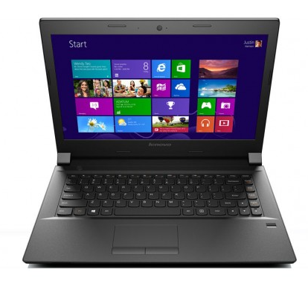
Processor | i3-6100U @ 2.3 GHz | i5-9300H @ 2.2 GHz | i7-6500U @ 2.5GHz | i7-6500U @ 2.5GHz | i7-6500U @ 2.5GHz | i7-4940MX Extreme 4GHz
Core | 2 | 2 | 2 | 2 | 2 | 4
Thread | 4 | 4 | 4 | 4 | 4 | 8
Hyperthreading | YES | YES | YES | YES | YES | YES
RAM | 8GB | 8GB | 16GB | 16GB | 16GB | 32GB
Hard Drive | 1TB SATA | 500GB SATA | 256GB SSD | 256GB SSD | 256GB SSD | 256GB SSD *2
RAID | NO | NO | NO | NO | NO | YES, 0 & 1
Screen Size | 14 inch | 15 inch | 12.5 inch | 12.5 inch | 12.5 inch | 15.6 inch
Graphics | Built-in Intel | Built-in Intel | Built-in Intel | Built-in Intel | Built-in Intel | NVIDIA Quadro K1100M 2G
Optical Drive | 8X DVD+/-RW | 8X DVD+/-RW | N/A | N/A | N/A | 12X DVD+/-RW
Smart Card Reader | NA | PCMCIA-Addin | Built-in | PCMCIA-Addin | PCMCIA-Addin | PCMCIA-Addin
Thumb Scanner | YES | Built-in | Built-in | Built-in | Built-in | Built-in
SD Card Reader | Built-in | Built-in | Built-in | Built-in | Built-in | Built-in
WiFi | a/b/g/n | a/b/g/n | a/b/g/n | a/b/g/n | a/b/g/n | b/g/n
Video Out | VGA | VGA | HDMI | HDMI | HDMI | VGA
Network Card | Built-in (GB) | Built-in (GB) | Built-in (GB) | Built-in (GB) | Built-in (GB) | Built-in (GB)
Security TPM | NA | YES | YES | YES | YES | YES
Touch Screen | NO | NO | Make Dependent | Make Dependent | YES | NO
Battery | 3whr | 4whr | 8whr | 8whr | 8whr | 12whr
OEM OS | NO | YES | YES | YES | YES | NO
OS Version | NA | Win 7 64 Bit | Win 7 64 Bit | Win 7/8 64 Bit | Win 8.1 64 Bit | NA
Virtualization | YES | YES | YES | YES | YES | YES
Warranty | 2Yrs Replacement | 3yrs Replacement | 3yrs Replacement | 3yrs Replacement | 3yrs Replacement | 3yrs Replacement

Purpose | Business | Business & small aparture memory or IO intensive work | IO Extensive, Virtual Machines, Video Editing, DTP | IO Extensive, Virtual Machines, Video Editing, Extended DTP | IO Extensive, Virtual Machines, Video Editing, Extended DTP | Mobile Server/Workstation

Price

NOTE: Prices are indicative, & not including VAT/TAX

Link3-IT: Link3 Information Technology department is about creating a powerful and synergistic relationship between form & function. It balances sophisticated aesthetics, thoughfully created user experiences and renowned engneering in order to rovide our staff with superior products.

Desktop-Specs
Specification of Information System Requirements (DESKTOP Only)

Description | Mainstream | Professional | Professional2 | Professional-12 | Professional-2 | Professional-3 | Workstation
 | DELL 3020 | HP ProDesk G400 | Lenovo ThinkCentre
 |  | 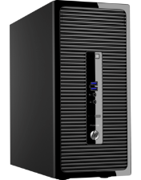 | 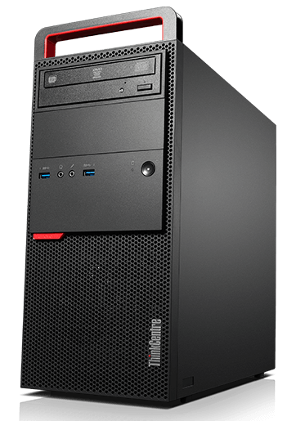
Processor | i3-6300 @ 3.8 GHz | i3-6300 @ 3.8 GHz | i7-6850K @ 3.8 GHz
Core | 2 | 2 | 4
Thread | 4 | 4 | 8
Hyperthreading | YES | YES | YES
RAM | 16GB | 16GB (64GB Supported) | 16GB (64GB Supported)
Hard Drive | 1TB SATA | 1TB SATA | 4TB SATA
RAID | NO | NO | NO
Screen Size | 19" | 19" | 19"/24"
Graphics | Built-in Intel | Built-in Intel | Built-in Intel
Optical Drive | 8X DVD+/-RW | 8X DVD+/-RW | DVD Rambo
Smart Card Reader | NA | NA | NA
Thumb Scanner | NA | NA | NA
SD Card Reader | Built-in | Built-in | Built-in
WiFi | NA | NA | 802.11 a/c
Video Out | VGA | VGA | VGA
Network Card | Built-in (GB) | Built-in (GB) | Built-in (GB)
Security TPM | 1.2 | 1.2 | 2
Touch Screen | NA | NA | NA
Battery | NA | NA | NA
OEM OS | NA | NA | NA
OS Version | NA | NA | NA
Virtualization | YES | YES | YES
Warranty | 3yrs Replacement | 3yrs Replacement | 3yrs Replacement

Purpose | Business | Business | Business

Price

NOTE: Prices are indicative, & not including VAT/TAX

Printer&Copier-Specs
Description | Essential Color | Essential Laser | Essential Multi | Essential Multi2 | Professional Color | Professional1 | Professional12 | Professional3

 | EPSON Deskjet L110 | HP Laserjet P1102 | HP DeskJet 1050 | HP LaserJet Pro MFP M127fn | HP LaserJetColor M251n | HP Laserjet Enterprise 3015DN | TOSHIBA e-Studio 2006 | HP LaserJet Pro MFP M521DN
 |  | 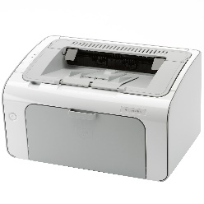 | 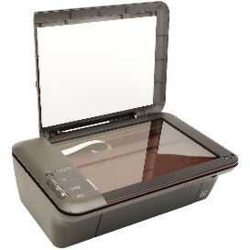 | 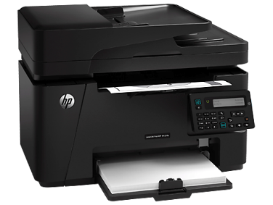 |  | 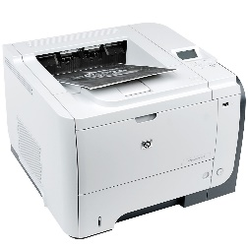 | 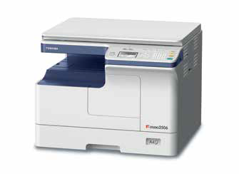 | 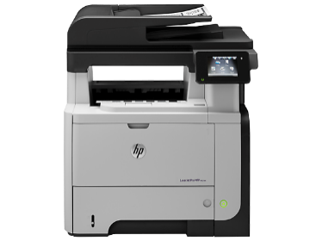
Function | Print Only | Print Only | Print, Scan, Copy | Print, Scan, Copy | Print Only | Print Only | Copy, Scan2Pdf>USB | Print, copy, scan2pdf2mail, fax, USB2Print
B&W or Color | Color | B&W Only | Color | B&W | Color | B&W Only | B&W Only | B&W Only
Duplex | Manual | Manual | Manual | Manual | Manual | Automatic | Manual | Automatic
Print Control
PPM | 6 Pages/min Monochrome, 3 Pages/min Color | Up to 18ppm | 16ppm B&W, 10ppm Color | 20ppm | 14ppm Color, 21ppm B&W | Up to 42 ppm | Upto 23ppm | Up to 42 ppm
Resolution | 5,760 x 1,440 DPI | FastRes 600 dpi (default) and FastRes (1200 dpi) | 4800dpi max, 1200 x 1200 dpi optical scanner | 600 x 600 dpi, FastRes 600; FastRes 1200 | 600 x 600 dpi with HP ImageREt 3600 and ColorSphere Toner | 300 dpi, 600 dpi, HP FastRes 1200, HP ProRes 1200 | 600 x 600 dpi, 2400 x 600 dpi (with smoothing) | ProRes 1200 x 1200 dpi
Monthly Duty Cycle | 500 B&W, 200 Color | 5,000 pages | 500 B&W, 200 Color | 8000 pages | 30,000 pages | 100,000 Pages | 10,000 Pages | 75,000 Pages
Mobile Printing Capability | NA, but attainable through Mobile Printing Adapter | NA, but attainable through Mobile Printing Adapter | NA, but attainable through Mobile Printing Adapter | HP ePrint Apple AirPrint™ Mobile Apps | ePrint, AirPrint | Generic Network Printing Capabilities | NO Network Printing or Duplex Capabilities | HP ePrint, Apple AirPrint™, Mopria-certified, Mobile Apps
Network | NA, but attainable through Mobile Printing Adapter | NA, but attainable through Mobile Printing Adapter | NA, but attainable through Mobile Printing Adapter | Fast Ethernet 10/100Base-TX | Standard (built-in Gigabit Ethernet) | Standard (built-in Gigabit Ethernet) | NA, but attainable through Mobile Printing Adapter | Standard (built-in Gigabit Ethernet)
Memory | 4MB | 8MB |  | 512 MB RAM installed | 4MB | 128 MB | 512MB | 256MB
Power Consumption | 10 Watt (printing), 1.2 Watt (sleep mode) | 360 Watts (Printing), 1.4 Watts (Ready), 0.9 (Sleep) | 10 Watt (printing), 1.2 Watt (sleep mode) | 480 watts (Printing), 186 watts (Copying from ADF), 4.5 watts (Ready), 1.1 watts (Sleep/Auto-Off), 0.2 watts (Manual Off) | 315 watts (Printing), 11.5 watts (Ready), 5.1 watts (Sleep), 0.2 watts (Off) | 780 watts (Printing), 14.5 watts (Ready), 3.94 watts (Sleep), 0.6 watts (Off) | 1500 Watts | 760 watts (Printing), 520 watts (Copying from ADF), 18.2 watts (Ready), 4.3 watts (Sleep), 0.3 watts (Off)
Warranty | 1year | 1year | 1year | 1year | 1year, SLA | 1year, SLA | 1year, SLA | 1year, SLA

Purpose | Essential Works | Essential Works | Essential Works |  | Heavy Volume | Heavy Volume Printing | Moderate Volume Printing | Moderate Volume Printing

Price | 8,000 | 6,500 | 8,500 | 17,000 | 26,000 | 75,000 | 85,000 | 2,55,000

NOTE: Prices are indicative, & not including VAT/TAX

Projectors
Description | Essential | Professional | Column2 | Column3 | Column4 | Column5 | Column6

 |  | Hitachi CPX-2530WN
 |  | 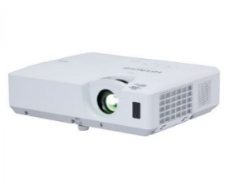
Function
Brightness |  | 2,700 ANSI lumens
Color Light Output |  | 2,700 ANSI lumens
Contrast |  | 4000 : 1 (using active IRIS)
Lamp Wattage |  | 215W
Native Resolution |  | XGA - 1024 x 768
Aspect Ratio |  | Native 4:3 and 16:9 / 16:10 compatible
Video Mode |  | 720p, 1080i, 1080p/60 576i, 480p, 480i
Data Modes |  | MAX 1600x1200
HDBaseT |  | No
Lamp Life |  | 5,000 hours
Filter Life |  | 5,000 hours
Input |  | VGA, HDMI
Wireless |  | EEE802.11 b/g/n
LAN |  | 10 base-T / 100 base-TX
Speaker Output |  | 16Watt
Power Consumption |  | 330W
Warranty |  | 1year | 1year | 1year, SLA | 1year, SLA | 1year, SLA | 1year, SLA

Purpose |  | Conference Room/Hall

Price

NOTE: Prices are indicative, & not including VAT/TAX

Scanners
Description | Minimum | Essential | Column1 | Column2 | Column3 | Column4 | Column5 | Professional3

 | CANON Lide 120 | HP ScanJet 200
 |  | 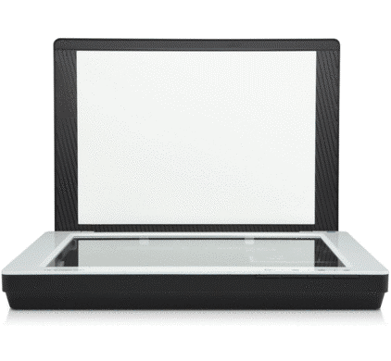
Function | Scanner Only | Scanner Only
HW Resolution |  | Up to 2400 x 4800 dpi
Optical Resolution | 2400 x 4800dpi | Up to 2400 dpi
Enhanced Resolution | 25 - 19200dpi | Up to 19200 dpi
Scan Speed | 10x15 color photo 16 secs | 10x15 color photo 21 secs
Connectivity | USB | USB

Weight | 1.6Kg | 1.76Kg
Power Consumption | 2.5Watt | 2.5Watt
Warranty | 1year | 1year |  |  |  |  |  | 1year, SLA

Purpose |  | Personal/Team

Price | 3,800 | 4,500

NOTE: Prices are indicative, & not including VAT/TAX

UC Devices
Description | Essential | Essential1 | Essential2 | Individual | Individual2 | Professional | Professional2 | Professional Color | Professional1 | Professional12 | Professional3

 | Logitech Z120 | Plantronics Calisto P835-M | Plantronics Calisto P620M | JABRA SPEAK 510 | SENNHEISER Speakerphone SP 10 | CREATIVE SBS A550 | TOA Wa-1822
 | 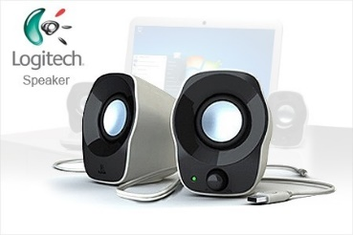 | 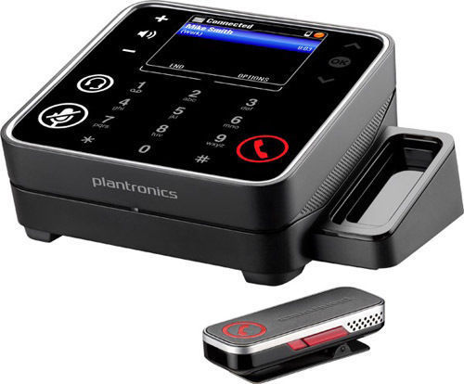 | 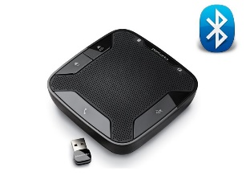 | 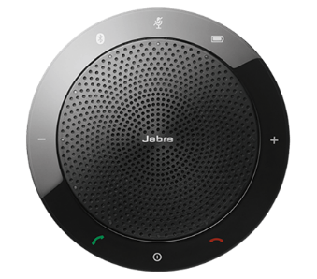 | 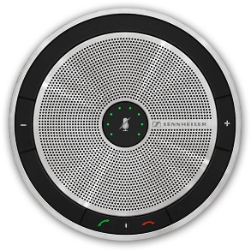 | 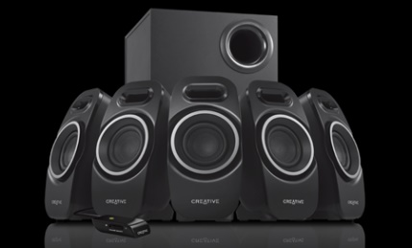
Function | Speaker Only | Roundtable Meeting | Roundtable Meeting | Desk Meetings | Desk Meetings | Conference Surround Sound | UHF Wireless Meeting Amplifier
Distance |  | 4 Meter Radius | 3 Meter Radius | 3 Meter Radius | 3 Meter Radius | na | 40 Square meter
Bluetooth |  | Yes | Yes | Yes | Yes | na | No
Bluetooth LOS |  | 50 Feet | 50 Feet | 50 Feet | 50 Feet | na | NA
Speakerphone | NA | Built-in | Built-in | Built-in | Built-in | na | No
Frequency Response |  | Wideband|Hifi | Wideband|Hifi | Wideband|Hifi | Wideband|Hifi | Wideband|Hifi | Standard Definition
Easy Pairing |  | Yes | Yes | Yes | Yes | na | NA
Source Pairing |  | 1 | 1 | 1 | 1 | 1 | 2
Digital Signal Processing |  | Yes | Yes | Yes | Yes | Yes | NA
Microphone | NA | Built-in | Built-in | Built-in | Built-in | na | Hand Held, Lapel, Wireless
Lync Certified | NA | Yes | Yes | Yes | Yes | na | No
Battery | USB Powered | Built-in Rechargeable | Built-in Rechargeable | Built-in Rechargeable | Built-in Rechargeable | na | AC Powered
Audio Jack | 3.5mm | na | na | na | na | 3.5mm
USB | YES | Yes | Yes | Yes | Yes | na | No
Network | NO | No | No | No | No | na | No
Memory |  | Phonebook Transfer | No | No | No |  | No
Sound Output | 3 Watt RMS | 3 Watt RMS | 3 Watt RMS | 4 Watt PMPO | 4 Watt PMPO | 15 Watt RMS | 20 Watt RMS
Power Consumption
Warranty | 1year | 1year | 1year | 1year | 1year |  | 1year

Purpose |  | Medium Conference | Small Conference | Desk Meetings | Desk Meetings | Conference Room Meetings | Large Audience

Price

NOTE: Prices are indicative, & not including VAT/TAX

